Table 20
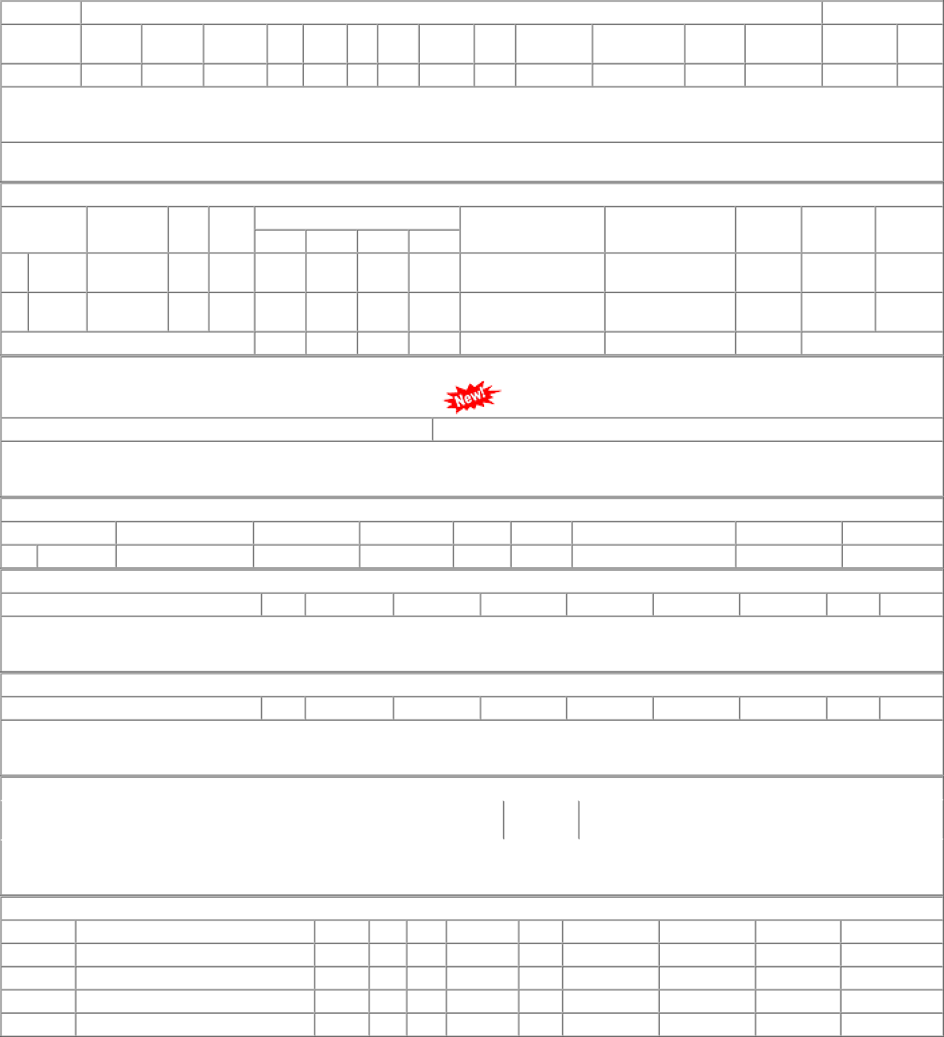
1 of 1 03/01/2023, 16:18

